Diagram
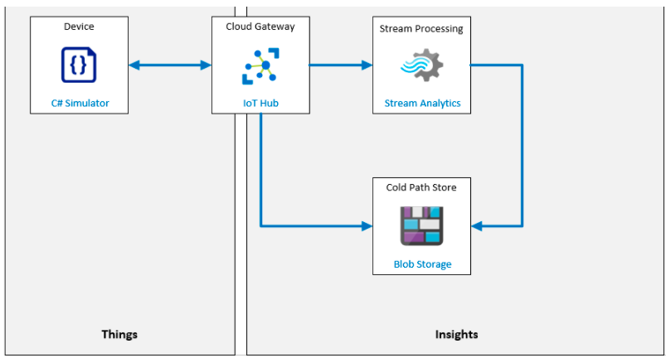
AZ-220-Microsoft-Azure-IoT-Developer (microsoftlearning.github.io)

